Sheet1
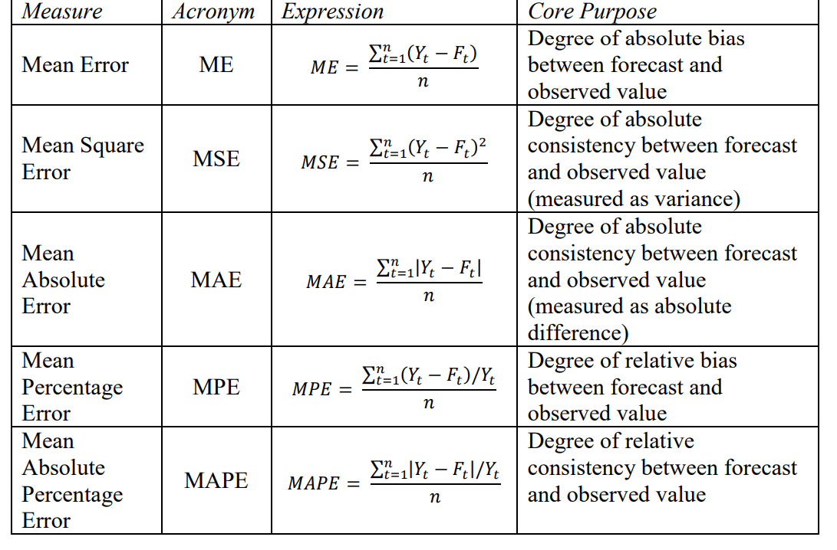
Pigs slaughtered and pork produced - seasonally adjusted |  |  | alpha | 0.41181283476 |  |  |  |  |  | 0.2 |  | 0.4 | 0.6 | 0.8
 |  |  |  | 0

 | Meat Produced (tonnes) | Number Slaughtered () |  | Forecast | Mean error | Square error | Absolut error | percentage error | absolute percentage error | Forecast | Mean error |  |  |  | mean error for alpha.8 | square error for alpha 0.8
Jun-19 | 33,071 | 427,141 |  | 427141.00 | 0.00 | 0.00 | 0.00 | 0.00 | 0.00 | 427141.00 | 0.00 | 427141 | 427141 | 427141 | 0.00 | 0.00
Jul-19 | 32,065 | 416,856 |  | 427141.00 | -10285.00 | 105781225.00 | 10285.00 | -2.47 | 2.47 | 427141 | -10,285.00 | 423027 | 427141 | 427141 | -10,285.00 | 105,781,225.00
Aug-19 | 32,328 | 418,714 |  | 422905.50 | -4191.50 | 17568714.12 | 4191.50 | -1.00 | 1.00 | 425084 | -6,370.00 | 421301.8 | 420970 | 418913 | -199.00 | 39,601.00
Sep-19 | 32,494 | 423,651 |  | 421179.39 | 2471.61 | 6108858.76 | 2471.61 | 0.58 | 0.58 | 423810 | -159.00 | 422241.48 | 419616.4 | 418753.8 | 4,897.20 | 23,982,567.84
Oct-19 | 32,989 | 424,624 |  | 422197.23 | 2426.77 | 5889210.73 | 2426.77 | 0.57 | 0.57 | 423778.2 | 845.80 | 423194.488 | 422037.16 | 422671.56 | 1,952.44 | 3,812,021.95
Nov-19 | 32,501 | 421,640 |  | 423196.61 | -1556.61 | 2423019.95 | 1556.61 | -0.37 | 0.37 | 423947.36 | -2,307.36 | 422572.6928 | 423589.264 | 424233.512 | -2,593.51 | 6,726,304.49
Dec-19 | 33,238 | 425,822 |  | 422555.58 | 3266.42 | 10669530.73 | 3266.42 | 0.77 | 0.77 | 423485.888 | 2,336.11 | 423872.41568 | 422419.7056 | 422158.7024 | 3,663.30 | 13,419,749.31
Jan-20 | 33,692 | 429,137 |  | 423900.73 | 5236.27 | 27418514.31 | 5236.27 | 1.22 | 1.22 | 423953.1104 | 5,183.89 | 425978.24941 | 424461.08224 | 425089.34048 | 4,047.66 | 16,383,547.59
Feb-20 | 33,804 | 430,651 |  | 426057.09 | 4593.91 | 21103975.01 | 4593.91 | 1.07 | 1.07 | 424989.88832 | 5,661.11 | 427847.34964 | 427266.6329 | 428327.4681 | 2,323.53 | 5,398,800.51
Mar-20 | 35,048 | 446,656 |  | 427948.92 | 18707.08 | 349954719.36 | 18707.08 | 4.19 | 4.19 | 426122.11066 | 20,533.89 | 435370.80979 | 429297.25316 | 430186.29362 | 16,469.71 | 271,251,228.27
Apr-20 | 34,147 | 430,668 |  | 435652.74 | -4984.74 | 24847608.69 | 4984.74 | -1.16 | 1.16 | 430228.88852 | 439.11 | 433489.68587 | 439712.50126 | 443362.05872 | -12,694.06 | 161,139,126.88
May-20 | 33,541 | 427,001 |  | 433599.96 | -6598.96 | 43546255.44 | 6598.96 | -1.55 | 1.55 | 430316.71082 | -3,315.71 | 430894.21152 | 434285.80051 | 433206.81174 | -6,205.81 | 38,512,099.41
Jun-20 | 35,176 | 453,508 |  | 430882.42 | 22625.58 | 511916744.09 | 22625.58 | 4.99 | 4.99 | 429653.56866 | 23,854.43 | 439939.72691 | 429914.9202 | 428242.16235 | 25,265.84 | 638,362,552.21
Jul-20 |  |  |  | 440199.93 |  |  |  |  |  | 434424.45492 |  | 263963.83615 | 444070.76808 | 448454.83247
Aug-20 |  |  |  | 440199.93
Sep-20 |  |  |  | 440199.93
Oct-20 |  |  |  | 440199.93

 |  |  | Mean |  | 2439.29 | 93935698.02 | 6688.03 | 0.53 | 1.53 | 426127.06 | 2,801.33 |  |  |  | 2,049 | 98,831,448
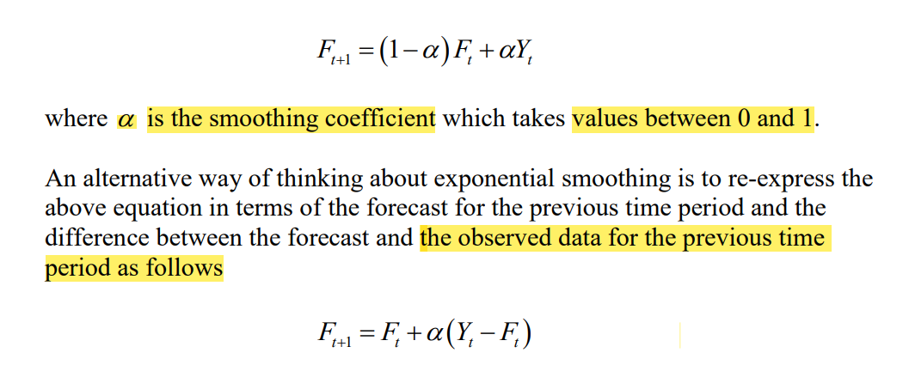
Source: Australian Bureau of Statistics, Livestock and Meat, Australia June 2020

